Hoja2
255 | ymax

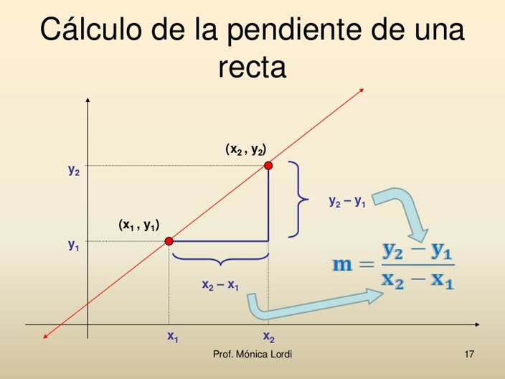
 |  |  |  | m | 0.255
 |  |  |  | x= | 1500
 |  |  |  | y=m.x+b= | 127.5

0 | ymin

 |  | xmin | xmax
 |  | 1000 | 2000

 | return (x - in_min) * (out_max - out_min) / (in_max - in_min) + out_min;

 |  |  |  |  |  |  | direction | speed
 | uS_throttle = pulseIn (PIN_THROTTLE_RC, HIGH, uS_timeout); |  |  |  |  | 1000 | 128 | 128
 | uS_direction = pulseIn (PIN_DIRECTION_RC, HIGH, uS_timeout); |  |  |  |  | 1500 |  |  |  | 255 | forward
 |  |  |  |  |  |  | M1 | M2
 | pwm_speed = map(uS_throttle, X_MIN, X_MAX, Y_MIN, Y_MAX); |  |  |  |  |  |  |  |  | 128 | stop
 | dir = map(uS_direction, X_MIN, X_MAX, Y_MIN, Y_MAX); |  |  |  |  |  | 1 | 1
 |  |  |  |  |  |  |  |  |  | 0 | backward
 | pwm_speed_M1 = pwm_speed + (128 - dir); |  |  |  |  |  | 1 | 1
 | pwm_speed_M2 = pwm_speed + (dir - 128);

 |  |  |  |  |  |  | 0 left |  | 0 | 128 | 255
 | if pwm speed >0 forward() else backward() |  |  |  |  |  | 255 right |  | left | center | right

